Web_summary
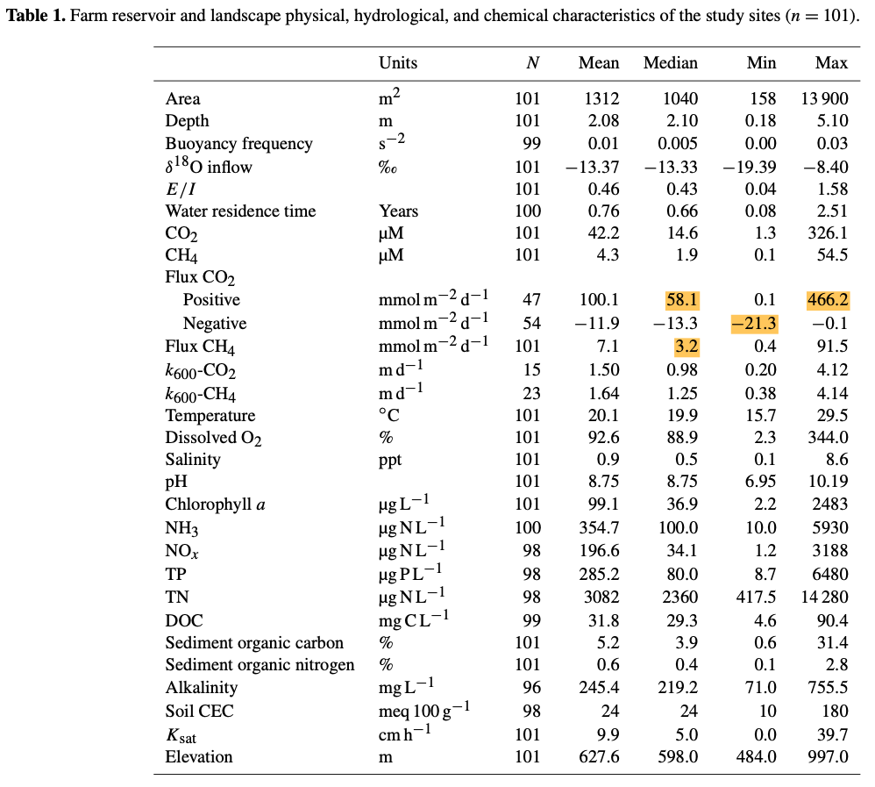
1 moles CH4 = 16.04246 gram
1 moles CO2 = 44.01gram

